Sheet1
How much $$$ will i save by cleaning my filters rather than replacing?


 | Cost of filter replacement | savings 1 | savings 2 | savings 3 | savings 4 | savings 5 | savings 6
filter size 01 |  | -$20.00 | -$40.00 | -$60.00 | -$80.00 | -$100.00 | -$240.00
filter size 02 |  | -$23.00 | -$46.00 | -$69.00 | -$92.00 | -$115.00 | -$276.00
filter size 03 |  | -$25.00 | -$50.00 | -$75.00 | -$100.00 | -$125.00 | -$300.00
filter size 04 |  | -$28.00 | -$56.00 | -$84.00 | -$112.00 | -$140.00 | -$336.00
filter size 05 |  | -$30.00 | -$60.00 | -$90.00 | -$120.00 | -$150.00 | -$360.00
filter size 06 |  | -$34.00 | -$68.00 | -$102.00 | -$136.00 | -$170.00 | -$408.00

 | Pick filter size from table below and enter Cost of replacement filter in the yellow
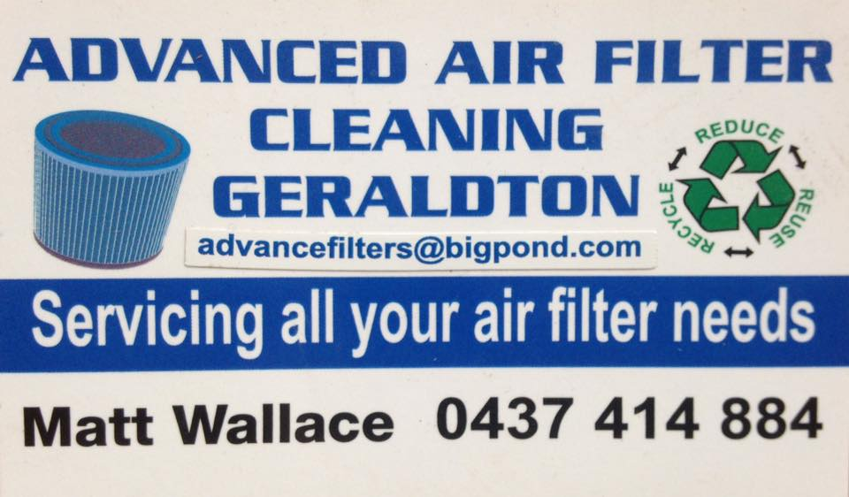
 | filter size (height) | Price per clean
filter size 01 | <19cm | $20.00
filter size 02 | 20-29cm | $23.00
filter size 03 | 30-39 | $25.00
filter size 04 | 40-49 | $28.00
filter size 05 | 50-59 | $30.00
filter size 06 | 60-80 | $34.00

